Instructions
INTENTIONAL SPENDING TRACKER by NISCHA

Please follow one of the instructions and then you'll be able to edit and use it for yourself
Watch this video for a step-by-step how to use guide: https://youtu.be/4sT2B2SRypo?si=4o4vJcAqMiI4BWuf

Instructions To Make a Copy |  | Instructions for DOWNLOAD |  | How to Use For Different Months

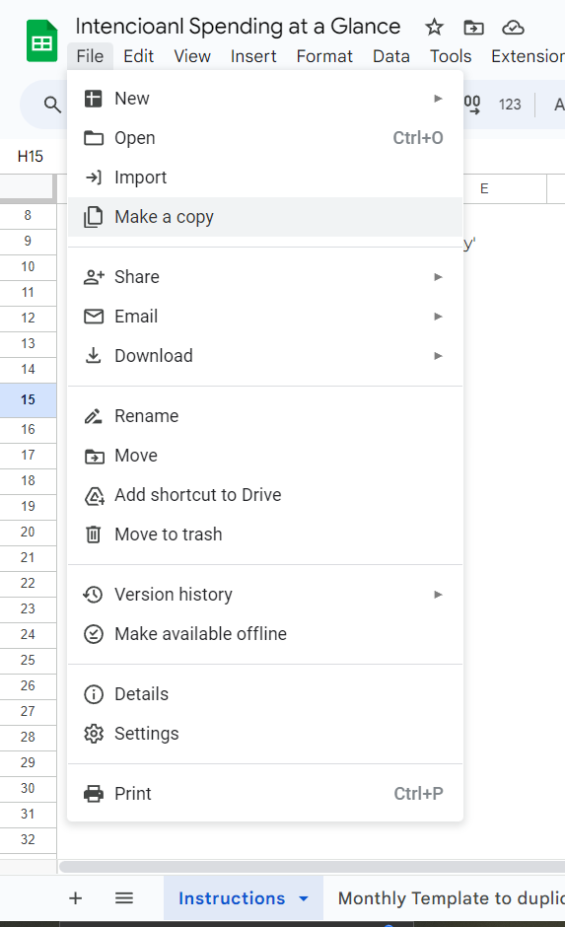
1 | Click on 'File' and then 'Make a copy' | 1 | Click on 'File' and then 'Download' | 1 | Right Click on an existing tab
 |  | 2 | Select a format. After will download automatically to your transfer folder | 2 | Select 'Duplicate'
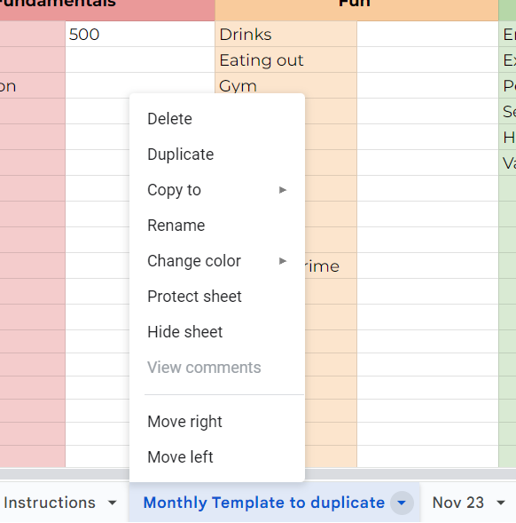
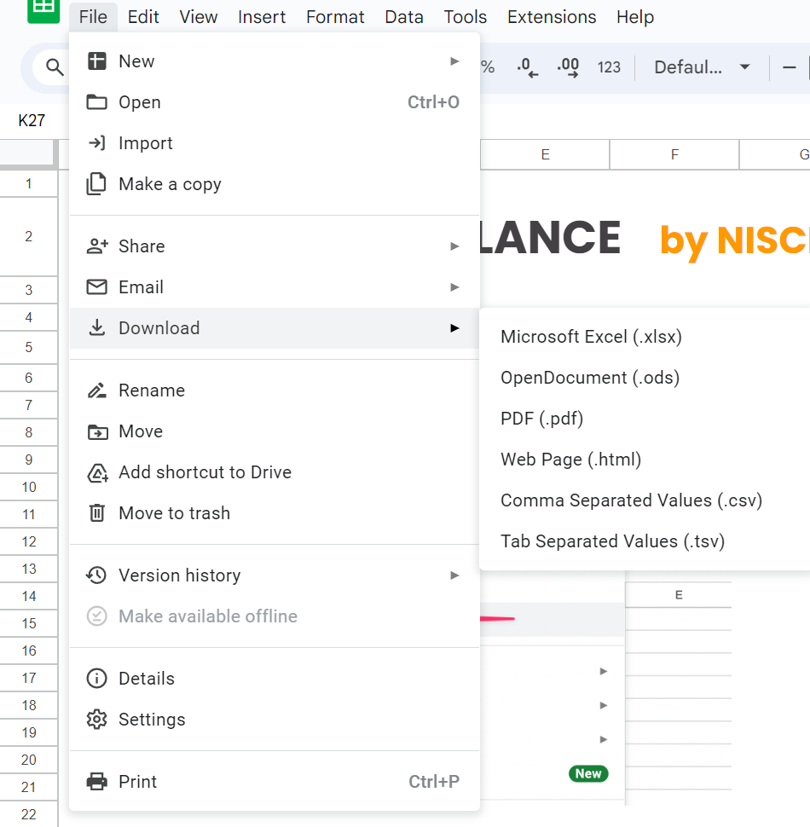

 |  |  |  | 3 | To give a new name. Follow step 1, and then select 'rename'

